CAN
Control Module | Name | HS-CAN | MS-CAN | Extended-CAN | Local-CAN | Sensor-CAN | MOST | Network | Speed
BCM | Brake Control Module | X |  |  |  | X |  | MS-CAN | 125 kbits/s
CCM | Climate Control Module |  | X |  |  |  |  | HS-CAN | 500 kbits/s
CEM | Central Electronic Module | X | X | X |  |  |  | Extended CAN | 125 kbits/s
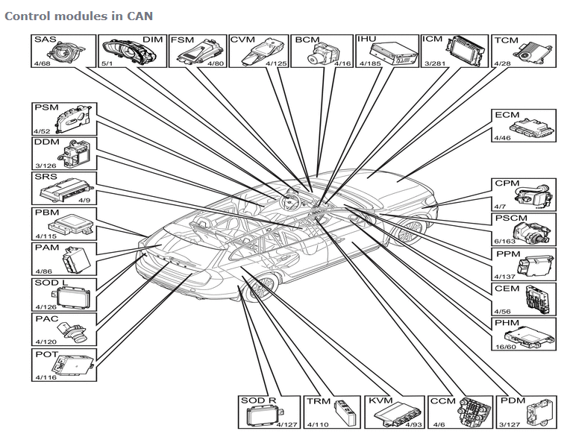
CPM | Combustion Preheater Module |  | X
CVM | Closing Velocity Module | X |  |  |  | X
DDM | Driver Door Module |  | X
DEM | Differential Electronics Module | X
DIM | Driver Information Module | X | X
ECM | Engine Control Module | X |  |  | X
FLR | Forward Looking Radar |  |  |  | X
FSM | Forward Sensing Module | X |  |  | X
ICM | Infotainment Control Module |  | X |  |  |  | X
IHU | Infotainment Head Unit |  | X |  |  |  | X
KVM | Keyless Vehicle Module |  | X
OWS | Occupant Weight Sensor |  |  |  |  | X
PAC | Parking Assistance Camera | X
PAM | Parking Assistance Module |  | X
PDM | Passenger Door Module |  | X
PHM | Phone Module |  | X |  |  |  | X
PSCM | Power Steering Control Module | X
PSM | Power Seat Module |  | X
SRS | Supplimental Restraint System |  | X |  |  | X
SAS | Steering Wheel Angle Sensor Module | X
SODL | Side Obstacle detectior Control Module Left |  |  | X
SODR | Side Obstacle detectior Control Module Right |  |  | X
TCM | Transmission Control Module | X |  |  | X
TRM | Trailer Module |  | X

LIN
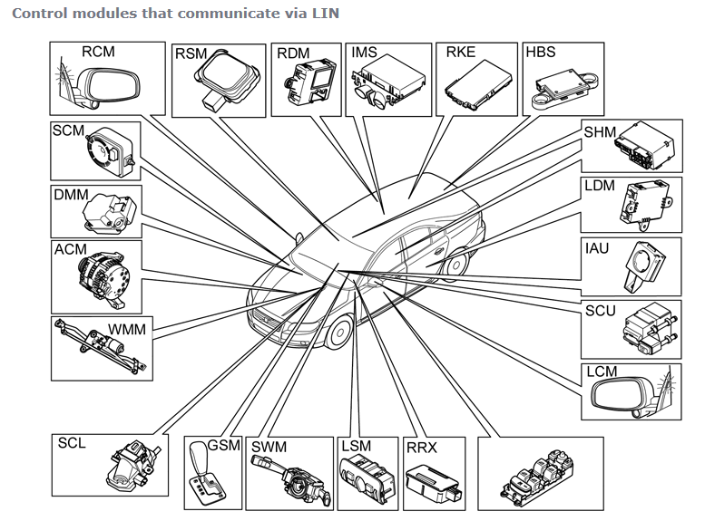
 |  | Master nodes
Control Module | Name | ECM | CEM | CCM | TCM | DDM/PDM | KVM | ICM | Transfer rate | 9,6 kbit/s
ACM | Alternator control module | X | (X)
DMM | Damper motor module |  |  | X
GSM | Gear selector module |  |  |  | X
HBS | Hart beat sensor |  | X
IAU | Ignition antenna unit |  | X
IMS | Interior motion sensor |  | X
LCM | Left camera module |  |  |  |  | X
LDM | Left rear door module |  |  |  |  | X
LSM | Light switch module |  | X
RCM | Right camera module |  |  |  |  | X
RDM | Right rear door module |  |  |  |  | X
RKE | Remote Keyless Entry |  |  |  |  |  | X
RRX | Remote Receiver Module |  | X
RSM | Rain sensor module |  | X
SCL | Steering column lock module |  | X
SCM | Siren control module |  | X
SCU | Start control module |  | X
SHM | Seat heating module |  |  | X
SWM | Steering wheel module |  | X |  |  |  |  | X
WMM | Wiper motor module |  | X

MOST
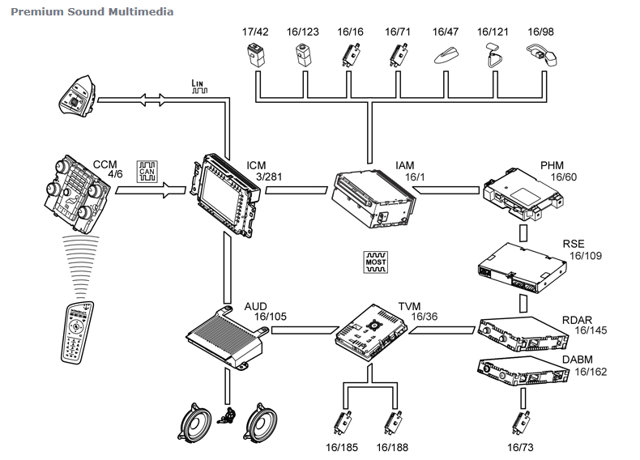
Control module | Name | MOST | MASTER | SLAVE | MS-CAN
ICM | Infotainment control module | X | X |  | X
IAM | Itegrated Audio Module |  |  | X
AUD | Audio module |  |  | X
DABM | Digital Audio Broadcast Module |  |  | X
RDAR | Remote Digital Audio Receiver |  |  | X
PHM | Phone Module |  |  | X
TVM | Television Module |  |  | X
RSE | Rear seat entertainment module |  |  | X

